Typical Example
 |  |  | Sell (Total Amount) | 18.29
Fund | Holdings | Portion |  |  | Before Change |  | After Change
Fund A | 800.00 | 40.00% | Sell 1 | 7.3160 | 7.32 |  | 7.32
Fund B | 1,000.00 | 50.00% | Sell 2 | 9.1450 | 9.15 |  | 9.15
Fund C | 200.00 | 10.00% | Sell 3 | 1.8290 | 1.83 |  | 1.82
 | 2,000.00 |  |  | 18.2900 | 18.30 | -> | 18.29

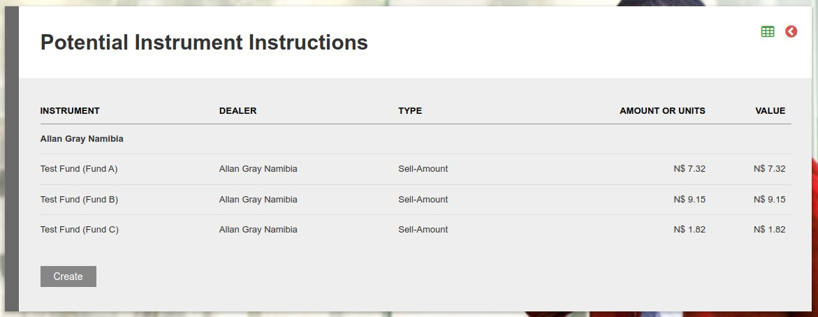
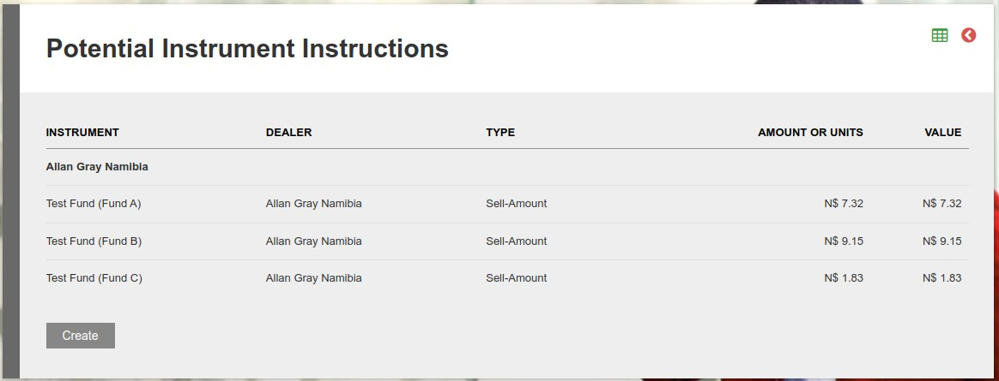
 |  |  |  |  |  |  |  | VS PROD ->

